D&P(2022.12)
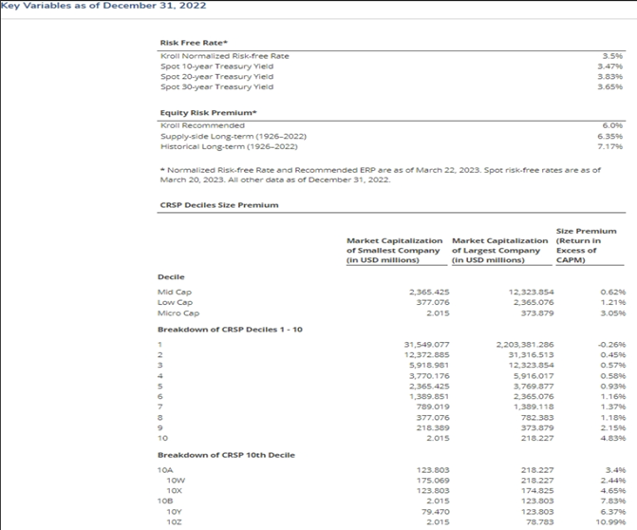
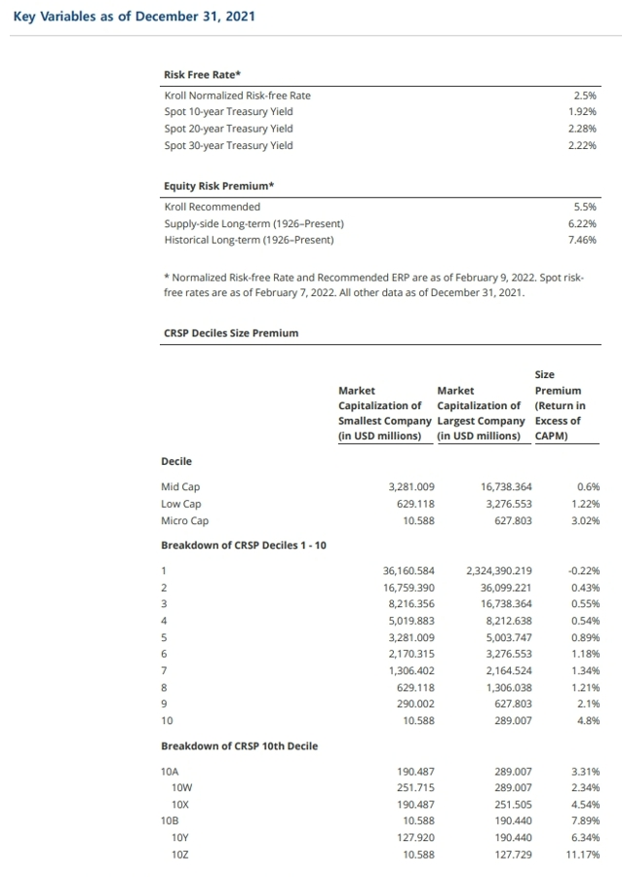
PJT
Duff&Phelps (2022.12)

 |  |  | 기준일 : | 0 | (Source: 서울외국환중개) | http://www.smbs.biz/ExRate/TodayExRate.jsp
Target BV | Exchange Rate | Target BV (USD) | 3구간 SRP | 10구간 SRP | Screenshot ▼
- |  | #DIV/0!

 |  | 자료기준일 : | 2022-12-31
CRSP Deciles Size Premia as of December 31, 2022
2022 Valuation Handbook (Source : Duff & Phelps)

Decile | Smallest Company | Largest Company | Size Premium
Mid Cap | 2,365.425 | 12,323.854 | 0.62%
Low Cap | 377.076 | 2,365.076 | 1.21%
Micro Cap | 2.015 | 373.879 | 3.05%

Breakdown of CRSP Deciles 1-10 | Smallest Company | Largest Company | Size Premium
1 | 31,547.077 | 2,203,381.286 | -0.26%
2 | 12,372.885 | 31,316.513 | 0.45%
3 | 5,918.981 | 12,323.854 | 0.57%
4 | 3,770.176 | 5,916.017 | 0.58%
5 | 2,365.425 | 3,769.877 | 0.93%
6 | 1,389.851 | 2,365.076 | 1.16%
7 | 789.019 | 1,389.118 | 1.37%
8 | 377.076 | 782.383 | 1.18%
9 | 218.389 | 373.879 | 2.15%
10 | 2.015 | 218.227 | 4.83%

Breakdown of CRSP 10th Decile
Decile | Smallest | Largest | Size Premium
10A | 123.803 | 218.227 | 3.40%
10W | 175.069 | 218.227 | 2.44%
10X | 123.803 | 174.825 | 4.65%
10B | 2.015 | 123.803 | 7.89%
10Y | 79.470 | 123.803 | 6.37%
10Z | 2.015 | 78.783 | 10.99%

